Wind
Notes

In the REF scenario, there is the penetration of turbines up to 10 kW for application in the residential and commercial sectors;
Penetration in the commercial sector was considered as 20% of that observed in the residential sector;

Residential Commercial Split
0.2

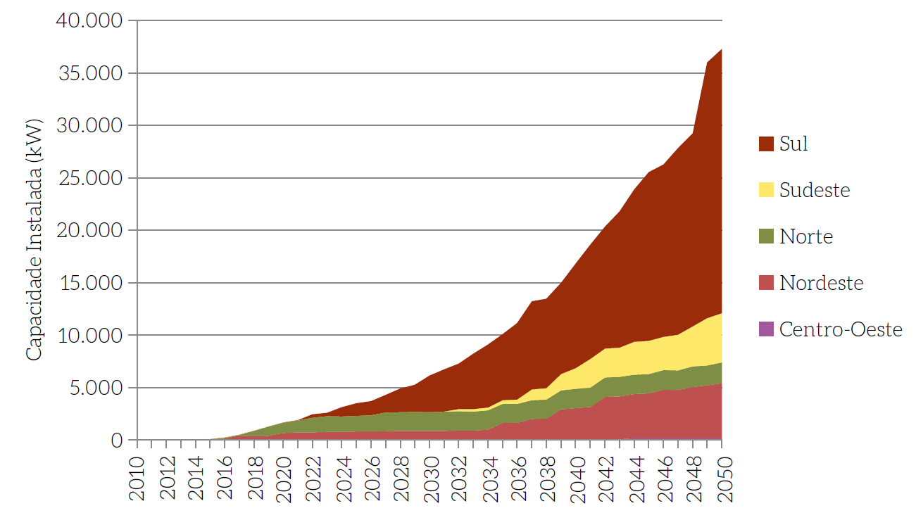
To estimate wind distributed capacity we had to rely on the figure 113 from MOP Building Book, page 177; |  |  |  |  |  |  |  |  |  |  |  |  | To estimate wind distributed capacity we had to rely on the figure 116 from MOP Building Book, page 179;
We estimate some points using webplotdigitizer tool and then we linear interpolated the data to get the time serie. |  |  |  |  |  |  |  |  |  |  |  |  | We estimate some points using webplotdigitizer tool and then we linear interpolated the data to get the time serie.
Figure 113: Installed Wind Distributed Generation Capacity in REF Scenario by Region (2010-2050) |  |  |  |  |  |  |  |  |  |  |  |  | Figure 116 - Relationship between Average System Yield and Total Power Generation Growth (2010-2050)
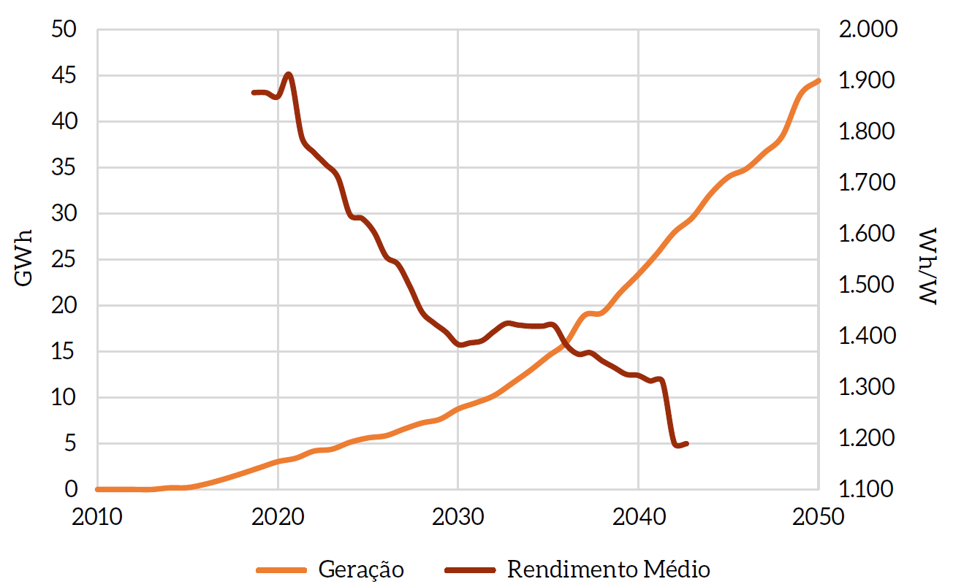

Wind |  | 2015 | 2016 | 2017 | 2018 | 2019 | 2020 | 2021 | 2022 | 2023 | 2024 | 2025 | 2026 | 2027 | 2028 | 2029 | 2030 | 2031 | 2032 | 2033 | 2034 | 2035 | 2036 | 2037 | 2038 | 2039 | 2040 | 2041 | 2042 | 2043 | 2044 | 2045 | 2046 | 2047 | 2048 | 2049 | 2050
 | kW | 100 | 477 | 854 | 1231 | 1608 | 1985 | 2362 | 2738 | 3115 | 3492 | 3869 | 4246 | 4623 | 5000 | 5714 | 6429 | 7143 | 7857 | 8571 | 9286 | 10000 | 11250 | 12500 | 13750 | 15000 | 16667 | 18333 | 20000 | 21667 | 23333 | 25000 | 27400 | 29800 | 32200 | 34600 | 37000
 | GWh | 1 | 1 | 2 | 2 | 3 | 3 | 4 | 4 | 5 | 5 | 6 | 6 | 7 | 7 | 8 | 8 | 10 | 11 | 13 | 14 | 16 | 17 | 19 | 20 | 22 | 23 | 25 | 27 | 29 | 31 | 34 | 36 | 38 | 40 | 42 | 44

